Additional Prescribers 20
Additional Providers | GEOID of Provider | % Covered in 20 Minutes | Average Time Saved (Minutes)
0 | Baseline | 0.83 | NA
1 | 8041005400 | 0.87 | 0.77
2 | 8069001709 | 0.89 | 1.00
3 | 8005084200 | 0.90 | 1.30
4 | 8059011724 | 0.91 | 1.44
5 | 8043978600 | 0.91 | 1.69
6 | 8041007601 | 0.92 | 1.81
7 | 8001008542 | 0.92 | 1.86
8 | 8107000500 | 0.92 | 2.72
9 | 8071000200 | 0.93 | 3.25
10 | 8049000201 | 0.93 | 3.58
11 | 8103951200 | 0.93 | 3.89
12 | 8071000400 | 0.93 | 4.14
13 | 8041004602 | 0.94 | 4.35
14 | 8117000200 | 0.94 | 4.56
15 | 8015000200 | 0.94 | 4.76
16 | 8085966400 | 0.95 | 4.95
17 | 8045952002 | 0.95 | 5.13
18 | 8069002802 | 0.95 | 5.30
19 | 8059012058 | 0.95 | 5.47
20 | 8001008402 | 0.96 | 5.64

Notes:
The list of optimal locations for additional providers is generated on algorithm to maximize the % of census tracts with overdoses that have a provider within 20 minutes of drive time. Secondarily, the algorithm minimizes travel time. The results are based on a greedy algorithm, which may not represent the optimal distribution of multiple new providers.
Time Saved Represents the mean decrease in travel time from each census tract where an overdose has occurred to the nearest prescriber.
The linear relationship between of % covered and additional providers indicates that additional locations are only making a difference in 1 census tract each.

Additional Prescribers 60
Additional Providers | GEOID of Provider | % Covered in 60 Minutes Travel | Average Time Saved (Minues)
0 | Baseline | 0.96 | NA
1 | 8107000500 | 0.96 | 0.86
2 | 8071000200 | 0.97 | 1.39
3 | 8049000201 | 0.97 | 1.72
4 | 8103951200 | 0.97 | 2.03
5 | 8069001902 | 0.98 | 2.32
6 | 8015000200 | 0.98 | 2.61
7 | 8005083100 | 0.98 | 2.87
8 | 8071000400 | 0.98 | 3.12
9 | 8041004602 | 0.99 | 3.35
10 | 8117000200 | 0.99 | 3.57
11 | 8085966400 | 0.99 | 3.76
12 | 8059012058 | 0.99 | 3.94
13 | 8045952002 | 1.00 | 4.12
14 | 8089968600 | 1.00 | 4.28

Notes:
The list of optimal locations for additional providers is generated on algorithm to maximize the % of census tracts with overdoses that have a provider within 60 minutes of drive time. Secondarily, the algorithm minimizes travel time. The results are based on a greedy algorithm, which may not represent the optimal distribution of multiple new providers. |  |  |  | `
Time Saved Represents the mean decrease in travel time from each census tract where an overdose has occurred to the nearest prescriber.
Only 3 additional providers are needed to ensure that all at risk areas are within 60 minutes of a provider

Additional Prescribers Time
Additional Tracts | GEOID of Provider | % Covered in 20 Minutes | Average Time Saved
0 | Baseline | 0.83 | 0.00
1 | 8041002300 | 0.86 | 0.88
2 | 8107000500 | 0.87 | 1.74
3 | 8071000200 | 0.87 | 2.27
4 | 8005006000 | 0.88 | 2.63
5 | 8049000201 | 0.88 | 2.96
6 | 8001008529 | 0.88 | 3.27
7 | 8103951200 | 0.88 | 3.58
8 | 8069001706 | 0.90 | 3.88
9 | 8005084200 | 0.90 | 4.17
10 | 8015000200 | 0.91 | 4.45
11 | 8041006000 | 0.91 | 4.73
12 | 8071000400 | 0.91 | 4.97
13 | 8041004602 | 0.91 | 5.19
14 | 8117000200 | 0.92 | 5.41
15 | 8059012045 | 0.92 | 5.61
16 | 8031008388 | 0.92 | 5.81
17 | 8085966400 | 0.92 | 6.00
18 | 8045952002 | 0.92 | 6.17
19 | 8001007801 | 0.92 | 6.35
20 | 8043978500 | 0.93 | 6.52

Notes:
The list of optimal locations for additional providers is generated on algorithm to minimize the travel time from all census tracts with an overdose to the nearest provide. The results are based on a greedy algorithm, which may not represent the optimal distribution of multiple new providers.
Time Saved Represents the mean decrease in travel time from each census tract where an overdose has occurred to the nearest prescriber.
The results are very similar to "Additional Prescribers 20"

Maps
New Locations (Yellow) for Optimizing Prescibers within 20 Minutes |  |  | New Locations (Yellow) for Optimizing Prescibers within 60 Minutes | New Locations (Yellow) for Optimizing Travel Time to Prescribers
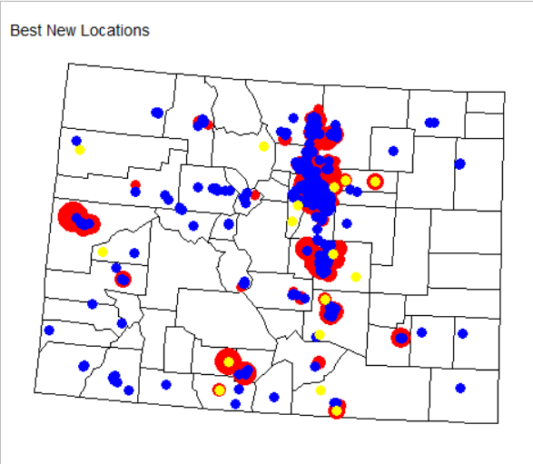
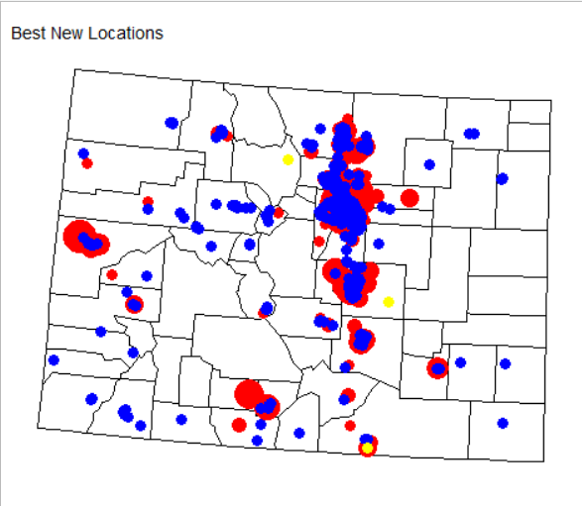
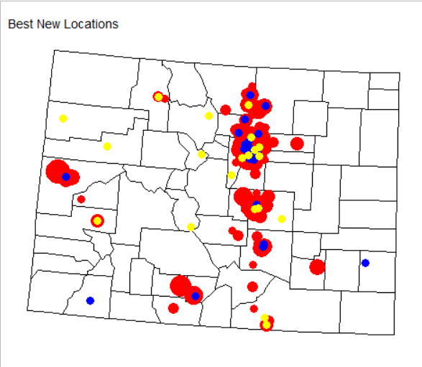

 | Color | Object
 | Red | Overdose
 | Blue | Current Provider
 | Yellow | Proposed Provider
 | Note: Yellow Dots May Cover Overdoses

